Transition Probability Table
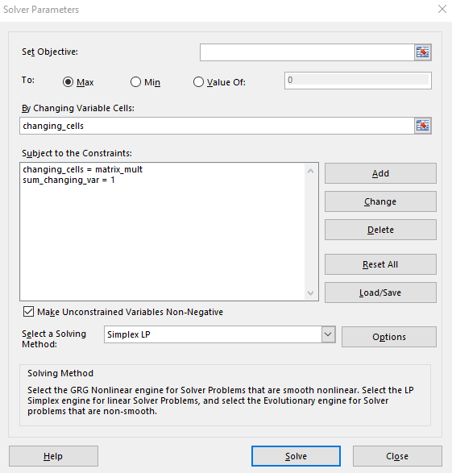
Raw | AAA | AA | A | BBB | BB | B | CCC | D | sum
AAA | 0.9193 | 0.0746 | 0.0048 | 0.0008 | 0.0000 | 0.0000 | 0.0000 | 0.0000 | 0.9995
AA | 0.6400 | 0.9181 | 0.0676 | 0.0060 | 0.0012 | 0.0012 | 0.0003 | 0.0000 | 1.6344
A | 0.0700 | 0.0227 | 0.0917 | 0.0512 | 0.0025 | 0.0025 | 0.0001 | 0.0004 | 0.2411
BBB | 0.0400 | 0.0270 | 0.0556 | 0.8788 | 0.0102 | 0.0102 | 0.0017 | 0.0024 | 1.0259
BB | 0.0400 | 0.0010 | 0.0061 | 0.0775 | 0.0790 | 0.0790 | 0.0111 | 0.0101 | 0.3038
B | 0.0000 | 0.0010 | 0.0028 | 0.0046 | 0.8280 | 0.8280 | 0.0396 | 0.0545 | 1.7585
CCC | 0.1900 | 0.0000 | 0.0037 | 0.0075 | 0.1213 | 0.1213 | 0.6045 | 0.2369 | 1.2852
D | 0.0000 | 0.0000 | 0.0000 | 0.0000 | 0.0000 | 0.0000 | 0.0000 | 1.0000 | 1.0000

Normalized | AAA | AA | A | BBB | BB | B | CCC | D | sum
AAA | 0.9198 | 0.0746 | 0.0048 | 0.0008 | 0.0000 | 0.0000 | 0.0000 | 0.0000 | 1.0000
AA | 0.3916 | 0.5617 | 0.0414 | 0.0037 | 0.0007 | 0.0007 | 0.0002 | 0.0000 | 1.0000
A | 0.2903 | 0.0942 | 0.3803 | 0.2124 | 0.0104 | 0.0104 | 0.0004 | 0.0017 | 1.0000
BBB | 0.0390 | 0.0263 | 0.0542 | 0.8566 | 0.0099 | 0.0099 | 0.0017 | 0.0023 | 1.0000
BB | 0.1317 | 0.0033 | 0.0201 | 0.2551 | 0.2600 | 0.2600 | 0.0365 | 0.0332 | 1.0000
B | 0.0000 | 0.0006 | 0.0016 | 0.0026 | 0.4709 | 0.4709 | 0.0225 | 0.0310 | 1.0000
CCC | 0.1478 | 0.0000 | 0.0029 | 0.0058 | 0.0944 | 0.0944 | 0.4704 | 0.1843 | 1.0000
D | 0.000014 | 0.000014 | 0.000014 | 0.000014 | 0.000014 | 0.000014 | 0.000014 | 0.99990 | 1.0000

Changing Cells | 13.90% | 2.49% | 0.34% | 0.76% | 0.06% | 0.06% | 0.01% | 82.37% | 1.0000
Matrix Mult | 13.90% | 2.49% | 0.34% | 0.76% | 0.06% | 0.06% | 0.01% | 82.37%

Rating / Year | AAA | AA | A | BBB | BB | B | CCC | D
0 | 1 | 0 | 0 | 0 | 0 | 0 | 0 | 0
1 | 91.98% | 7.46% | 0.48% | 0.08% | 0.00% | 0.00% | 0.00% | 0.00%
2 | 87.66% | 11.10% | 0.94% | 0.27% | 0.01% | 0.01% | 0.00% | 0.00%
3 | 85.26% | 12.88% | 1.25% | 0.55% | 0.03% | 0.03% | 0.00% | 0.00%
4 | 83.85% | 13.73% | 1.45% | 0.86% | 0.05% | 0.05% | 0.01% | 0.01%
5 | 82.96% | 14.13% | 1.57% | 1.17% | 0.07% | 0.07% | 0.01% | 0.02%
6 | 82.35% | 14.31% | 1.64% | 1.47% | 0.09% | 0.09% | 0.01% | 0.03%
7 | 81.89% | 14.38% | 1.69% | 1.75% | 0.11% | 0.11% | 0.02% | 0.05%
8 | 81.53% | 14.39% | 1.73% | 2.01% | 0.13% | 0.13% | 0.02% | 0.06%
9 | 81.22% | 14.39% | 1.76% | 2.24% | 0.14% | 0.14% | 0.02% | 0.08%
10 | 80.96% | 14.37% | 1.78% | 2.45% | 0.16% | 0.16% | 0.03% | 0.10%
11 | 80.73% | 14.35% | 1.80% | 2.63% | 0.17% | 0.17% | 0.03% | 0.13%
12 | 80.52% | 14.32% | 1.81% | 2.80% | 0.18% | 0.18% | 0.03% | 0.15%
13 | 80.33% | 14.30% | 1.82% | 2.94% | 0.19% | 0.19% | 0.03% | 0.18%
14 | 80.16% | 14.28% | 1.83% | 3.08% | 0.20% | 0.20% | 0.04% | 0.21%
15 | 80.00% | 14.26% | 1.84% | 3.19% | 0.21% | 0.21% | 0.04% | 0.24%
16 | 79.86% | 14.24% | 1.85% | 3.30% | 0.22% | 0.22% | 0.04% | 0.27%
17 | 79.73% | 14.22% | 1.86% | 3.39% | 0.23% | 0.23% | 0.04% | 0.30%
18 | 79.61% | 14.20% | 1.87% | 3.48% | 0.23% | 0.23% | 0.04% | 0.34%
19 | 79.50% | 14.19% | 1.87% | 3.55% | 0.24% | 0.24% | 0.04% | 0.37%
20 | 79.39% | 14.17% | 1.88% | 3.62% | 0.24% | 0.24% | 0.04% | 0.40%
21 | 79.30% | 14.16% | 1.88% | 3.68% | 0.25% | 0.25% | 0.04% | 0.44%
22 | 79.21% | 14.15% | 1.89% | 3.73% | 0.25% | 0.25% | 0.04% | 0.47%
23 | 79.13% | 14.14% | 1.89% | 3.78% | 0.26% | 0.26% | 0.05% | 0.51%
24 | 79.05% | 14.13% | 1.89% | 3.82% | 0.26% | 0.26% | 0.05% | 0.55%
25 | 78.98% | 14.11% | 1.90% | 3.85% | 0.26% | 0.26% | 0.05% | 0.58%
26 | 78.91% | 14.10% | 1.90% | 3.89% | 0.26% | 0.26% | 0.05% | 0.62%
27 | 78.85% | 14.10% | 1.90% | 3.92% | 0.27% | 0.27% | 0.05% | 0.66%
28 | 78.79% | 14.09% | 1.90% | 3.94% | 0.27% | 0.27% | 0.05% | 0.70%
29 | 78.73% | 14.08% | 1.90% | 3.97% | 0.27% | 0.27% | 0.05% | 0.74%
30 | 78.67% | 14.07% | 1.91% | 3.99% | 0.27% | 0.27% | 0.05% | 0.78%

